Instagram Web
Defect Id | Test Case Id | Test Case Name | Precondition | Steps | Test Data | Defect Type | Defect Severity | Defect Priority | Expected Result | Actual Result | Tester Name | Screenshot | Status
1 | TC_005 | validate the logging into application using invalid information (i.e invalid email address or valid password) | 1.open the application https://www.instagram.com/accounts/login/ supported browser 2.login page for an existing account are required | 1.enter invalid email address into 'phone number,emailaddress,username'fields 2.enter the valid password into'password'fields 3.click on logging button (ER-1) | phone number,emailaddress, username'= abc1@gmail.com 'password' = ******** | Functionality Defect | Minor | P3 | 1.user should not logging and proper warning message should display 'warning : your email address is incorrect please enter valid email address | 1. password is correct then it show Sorry, your password was incorrect. Please double-check your password. no warning message for incorrect email address. | Bhushan | 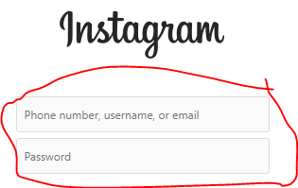 | Fail
2 | TC_006 | validate the logging into application using invalid information (i.e invalid email address or invalid password) | 1.open the application https://www.instagram.com/accounts/login/ supported browser 2.login page for an existing account are required | 1.enter invalid email address into 'phone number,emailaddress,username'fields 2.enter the invalid password into'password'fields 3.click on logging button (ER-1) | phone number,emailaddress, username'= abc1@gmail.com 'password' = 123123 | Functionality Defect | Minor | P3 | 1.user should logging and proper warning message should display warning:'your email address and password is incorrect please enter the valid email address and password' | 1. it show Sorry, your password was incorrect. Please double-check your password. no warning message for incorrect email address | Bhushan |  | Fail
3 | TC_014 | validate the login with Facebook button | 1.open the application https://www.instagram.com/accounts/login/ supported browser 2.login page for an existing account are required | 1.click on 'log in with facebook' 2.click on 'not now button'(ER-1) | Not Applicable |  |  |  | 1 it show Sorry, this page isn't available. The link you followed may be broken, or the page may have been removed. Go back to Instagram. |  | Bhushan | 
4 | TC_015 | validate the forgotten password (with number) | 1.open the application https://www.instagram.com/accounts/login/ supported browser 2.login page for an existing account are required | 1.click on 'forgotten your password?'(ER-1) 2.enter number into 'phone number, email address, username' fields 3. click on 'send login link'button 4.click on ' i am not robot' 5.click on 'next' button(ER-2) | phone number,emailaddress, username'= 9081812583 | Database Defect | Critical | P2 | 1. user should taken to 'send login link'page and proper message should display Enter your email address, phone number or username, and we'll send you a link to get back into your account. 2.message should dispaly 'We sent an SMS to +91 ***** ***83 with a link to get back in to your account' | 1.don't recived SMS to +91 ***** ***83 with a link | Bhushan |  | Fail
5 | TC_017 | validate the logging into the application using new password with phone number | 1.open the application https://www.instagram.com/accounts/login/ supported browser 2.login page for an existing account are required | 1.click on 'forgotten your password?' 2.enter email address into 'phone number, email address, username' fields 3. click on 'send login link'button 4.click on ' i am not robot' 5.click on 'next' button 6.click on 'reset your password 'into email address 7.enter new password into 'new password'fields 8.enter new password, again into 'new password,again'fields 9.click on 'reset password'button ) 10.Enter the code that we sent to your number ending in 83. into 'security code' fields 11.click on 'confirm' button 12.enter valid phone number into 'phone number,emailaddress,username'fields 13.enter the new password into'password'fields 14. click on logging button | phone number,emailaddress, username'= 9081812583 'password' = ******** | Security Defect | blocker | P1 | 1.user should login into application | 1. it gives warning message Sorry, your password was incorrect. Please double-check your password. | Bhushan | 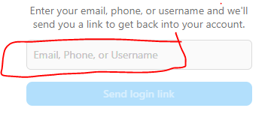 | Fail
6 | TC_036 | validate instagram lite button | 1.open the application https://www.instagram.com/accounts/login/ supported browser | 1.click on 'instagram lite' button(ER-1) 2.click on get on google pay icon button (ER-2) | Not Applicable | Functionality Defect | major | P2 | 1.user is taken to get in on google play store page 2.user taken to instagram lite page on google pay | 1. it refresh the page but could not open into google play | Bhushan |  | Fail

Facebook Web
Defect Id | Test Case Id | Test Case Name | Precondition | Steps | Test Data | Defect Type | Defect Severity | Defect Priority | Expected Result | Actual Result | Tester Name | Screenshot | Status
1 | TC_004 | validate the logging into application using information (i.e invalid email address or invalid password) | 1.url: https://www.facebook.com/supported browser 2.login page for an existing account are required | 1.enter invalid email address into 'phone number,emailaddress'fields 2.enter the invalid password into'password'fields 3.click on logging button | phone number,emailaddress'= abc22@gmail.com 'password' = abc222 | Functionality Defect | Minor | P3 | 1.user should not logging and proper warning message should display warning:'your email address and password is incorrect please enter valid email address and password' | 1.'warning message The email address you entered isn't connected to an account. Find your account and log in'. Olny email address fields and no warning message for password field | Bhushan | 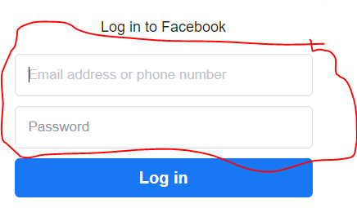 | Fail
2 | TC_006 | validate the logging into application using valid email address and not entered password | 1.url: https://www.facebook.com/supported browser 2.login page for an existing account are required | 1.enter valid email address into 'phone number,emailaddress'fields 2.don’t enter aything into 'password'fields 3.click on logging button (ER-1) | phone number,emailaddress'= sahildhorajiya1@gmail.com 'password' = | Functionality Defect | Minor | P3 | 1.user not logging in and display warning message warnnig: please enter password into password fields | 1.it does not give warning message enter 'password' it display The password that you've entered is incorrect. Forgotten password? Without anything enter into the password field | Bhushan |  | Fail
3 | TC_007 | validate the logging into application using don’t enter email address and entered valid password | 1.url: https://www.facebook.com/supported browser 2.login page for an existing account are required | 1.don't enter anything into 'email address or phone number' fields 2.enter the valid password into'password'field 3.click on logging button(ER-1) | phone number,emailaddress'= 'password' = ********** | Functionality Defect | Minor | P3 | 1.user not logging and display warning message warning:'please enter email address'into phone number or email address fields | 1.it does not give warning message enter 'email address' it display The email address or mobile number you entered isn't connected to an account. Find your account and log in. Without anything enter into 'phone number or email address fields' | Bhushan |  | Fail
4 | TC_008 | validate the logging into application without providing information | 1.url: https://www.facebook.com/supported browser 2.login page for an existing account are required | 1.don't enter anything into 'email address or phone number' fields 2.don't enter the password into'password'field 3.click on logging button(ER-1) | Not Applicable | Functionality Defect | Minor | P3 | 1. Warning message 'Warning: 'enter valid phone number or email address into email address or phone number fields and enter valid password into 'password' fields. should be displayed | 1.it should give warning message for only email address fields The email address or mobile number you entered isn't connected to an account. Find your account and log in. and don't display warning message for password fields | Bhushan |  | Fail
5 | TC_064 | validate market place button without login | 1.internet, browser, website must be in working condition 2. Open the Application URL | 1. click on 'market place' button (ER-1) | Not Applicable | Functionality Defect | Minor | P3 | 1.proper warning message should display warning:' You must log in to continue. then you can sell and buy the product on facebook | 1. it does not give a warning message and it do page refresh (it give warning message as 'create page' but not give in 'market place ' | Bhushan |  | Fail

